Barcodes Lexogen
External barcodes for QuantSeq 3'mRNA-Seq Library Prep for Illumina |  |  |  |  |  |  |  |  |  |  |  |  |  |  |  |  |  |  |  |  |  |  |  |  | Index Primer for Illumina - ATTENTION: New barcode arrangement since 17.02.2017!

 | 1 |  | 2 |  | 3 |  | 4 |  | 5 |  | 6 |  | 7 |  | 8 |  | 9 |  | 10 |  | 11 |  | 12 |  | i7 Index Primers (7001-7096)
A | BC01 | ACATTA | BC02 | GGTGAG | BC03 | CGAAGG | BC04 | AAGACA | BC05 | TAATCG | BC06 | CGCAAC | BC07 | AATAGC | BC08 | TTAACT | BC09 | AATGAA | BC10 | GATTGT | BC11 | ATAAGA | BC12 | GCCACA |  | 1 |  | 2 |  | 3 |  | 4 |  | 5 |  | 6 |  | 7 |  | 8 |  | 9 |  | 10 |  | 11 |  | 12
B | BC13 | GAACCT | BC14 | CGGTTA | BC15 | AACGCC | BC16 | CAGATG | BC17 | GATCAC | BC18 | CGCGGA | BC19 | CCTAAG | BC20 | GGCTGC | BC21 | ACCAGT | BC22 | GTGCCA | BC23 | AGATAG | BC24 | TCGAGG | A | 7001 | CAGCGT | 7009 | TCAGGA | 7017 | TCTTAA | 7025 | TTTATG | 7033 | AGATAG | 7041 | CTCTCG | 7049 | GTGCCA | 7057 | AGTACT | 7065 | AAGCTC | 7073 | GACATC | 7081 | GCAGCC | 7089 | CGCGGA
C | BC25 | ACAACG | BC26 | GCGCTG | BC27 | CAAGCA | BC28 | GTTACC | BC29 | CTCTCG | BC30 | CCAATT | BC31 | TTCGAG | BC32 | CGTCGC | BC33 | TGTGCA | BC34 | ACCGTG | BC35 | ATACTG | BC36 | ATGAAC | B | 7002 | GATCAC | 7010 | CGGTTA | 7018 | GTCAGG | 7026 | AACGCC | 7034 | TTGGTA | 7042 | TGACAC | 7050 | TCGAGG | 7058 | ATAAGA | 7066 | GACGAT | 7074 | CGATCT | 7082 | ACTCTT | 7090 | CCTGCT
D | BC37 | AGTTGA | BC38 | GACGAT | BC39 | CACACT | BC40 | CAGCGT | BC41 | TGCTAT | BC42 | TCTTAA | BC43 | CCGCAA | BC44 | CTCCAT | BC45 | GTCAGG | BC46 | ACGTCT | BC47 | GAGTCC | BC48 | GACATC | C | 7003 | ACCAGT | 7011 | TTAACT | 7019 | ATACTG | 7027 | CAAGCA | 7035 | GTTACC | 7043 | AAGACA | 7051 | CACTAA | 7059 | GGTGAG | 7067 | TCGTTC | 7075 | CGTCGC | 7083 | TGCTAT | 7091 | GCGCTG
E | BC49 | AGGCAT | BC50 | ACCTAC | BC51 | TGGATT | BC52 | GCAGCC | BC53 | CGCCTG | BC54 | CCGACC | BC55 | TATGTC | BC56 | TGACAC | BC57 | ACAGAT | BC58 | AGACCA | BC59 | GCTCGA | BC60 | ATGGCG | D | 7004 | TGCACG | 7012 | ATGAAC | 7020 | TATGTC | 7028 | GCTCGA | 7036 | CGCAAC | 7044 | ACAGAT | 7052 | GGTATA | 7060 | TTCCGC | 7068 | CCAATT | 7076 | ATGGCG | 7084 | AAGTGG | 7092 | GAACCT
F | BC61 | GAAGTG | BC62 | AGAATC | BC63 | GCGAAT | BC64 | CGATCT | BC65 | CATCTA | BC66 | AAGTGG | BC67 | TGCACG | BC68 | TCGTTC | BC69 | ACACGC | BC70 | GTAGAA | BC71 | AGTACT | BC72 | GCATGG | E | 7005 | ACATTA | 7013 | CCTAAG | 7021 | GAGTCC | 7029 | GCGAAT | 7037 | TGGCGA | 7045 | TAGGCT | 7053 | CGCCTG | 7061 | GAAGTG | 7069 | AGTTGA | 7077 | ATTGGT | 7085 | CTCATA | 7093 | TTCGAG
G | BC73 | AACAAG | BC74 | AACCGA | BC75 | TGGCGA | BC76 | CACTAA | BC77 | AAGCTC | BC78 | TACCTT | BC79 | CTAGTC | BC80 | AATCCG | BC81 | GTGTAG | BC82 | ACTCTT | BC83 | TCAGGA | BC84 | ATTGGT | F | 7006 | GTGTAG | 7014 | AATCCG | 7022 | GGAGGT | 7030 | TGGATT | 7038 | ACCGTG | 7046 | CTCCAT | 7054 | AATGAA | 7062 | CAATGC | 7070 | AACCGA | 7078 | GCCACA | 7086 | CCGACC | 7094 | AGAATC
H | BC85 | TTGGTA | BC86 | CAACAG | BC87 | CAATGC | BC88 | GGAGGT | BC89 | CAGGAC | BC90 | GGCCAA | BC91 | CTCATA | BC92 | CCTGCT | BC93 | GGTATA | BC94 | TTCCGC | BC95 | TAGGCT | BC96 | ATATCC | G | 7007 | CTAGTC | 7015 | GGCTGC | 7023 | CACACT | 7031 | ACCTAC | 7039 | CAACAG | 7047 | GCATGG | 7055 | ACAACG | 7063 | ACGTCT | 7071 | CAGATG | 7079 | CATCTA | 7087 | GGCCAA | 7095 | AGGCAT
 |  |  |  |  |  |  |  |  |  |  |  |  |  |  |  |  |  |  |  |  |  |  |  |  | H | 7008 | TGTGCA | 7016 | TACCTT | 7024 | CCGCAA | 7032 | CGAAGG | 7040 | GATTGT | 7048 | AATAGC | 7056 | ATATCC | 7064 | CAGGAC | 7072 | GTAGAA | 7080 | AACAAG | 7088 | AGACCA | 7096 | ACACGC

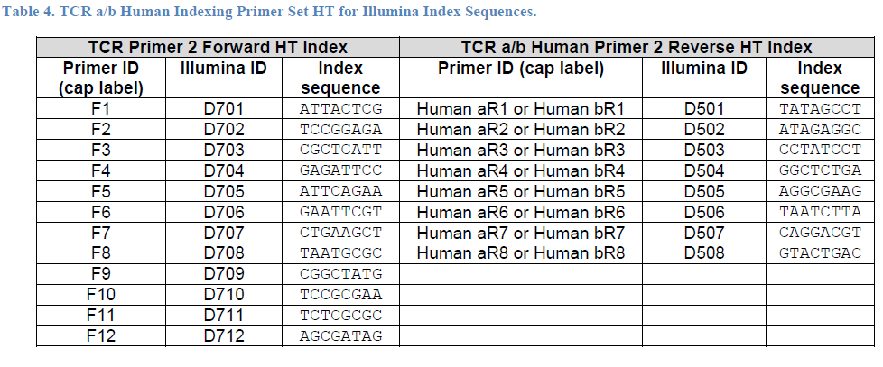

i7 Index Plate (7001-7096) |  |  | Nieuwe versie

 | 1 | 2 | 3 | 4 | 5 | 6 | 7 | 8 | 9 | 10 | 11 | 12
A | 7001:00:00 | 7009:00:00 | 7017:00:00 | 7025:00:00 | 7033:00:00 | 7041:00:00 | 7049:00:00 | 7057:00:00 | 7065:00:00 | 7073:00:00 | 7081:00:00 | 7089:00:00
 | CAGCGT | TCAGGA | TCTTAA | TTTATG | AGATAG | CTCTCG | GTGCCA | AGTACT | AAGCTC | GACATC | GCAGCC | CGCGGA
B | 7002:00:00 | 7010:00:00 | 7018:00:00 | 7026:00:00 | 7034:00:00 | 7042:00:00 | 7050:00:00 | 7058:00:00 | 7066:00:00 | 7074:00:00 | 7082:00:00 | 7090:00:00
 | GATCAC | CGGTTA | GTCAGG | AACGCC | TTGGTA | TGACAC | TCGAGG | ATAAGA | GACGAT | CGATCT | ACTCTT | CCTGCT
C | 7003:00:00 | 7011:00:00 | 7019:00:00 | 7027:00:00 | 7035:00:00 | 7043:00:00 | 7051:00:00 | 7059:00:00 | 7067:00:00 | 7075:00:00 | 7083:00:00 | 7091:00:00
 | ACCAGT | TTAACT | ATACTG | CAAGCA | GTTACC | AAGACA | CACTAA | GGTGAG | TCGTTC | CGTCGC | TGCTAT | GCGCTG
D | 7004:00:00 | 7012:00:00 | 7020:00:00 | 7028:00:00 | 7036:00:00 | 7044:00:00 | 7052:00:00 | 7060:00:00 | 7068:00:00 | 7076:00:00 | 7084:00:00 | 7092:00:00
 | TGCACG | ATGAAC | TATGTC | GCTCGA | CGCAAC | ACAGAT | GGTATA | TTCCGC | CCAATT | ATGGCG | AAGTGG | GAACCT
E | 7005:00:00 | 7013:00:00 | 7021:00:00 | 7029:00:00 | 7037:00:00 | 7045:00:00 | 7053:00:00 | 7061:00:00 | 7069:00:00 | 7077:00:00 | 7085:00:00 | 7093:00:00
 | ACATTA | CCTAAG | GAGTCC | GCGAAT | TGGCGA | TAGGCT | CGCCTG | GAAGTG | AGTTGA | ATTGGT | CTCATA | TTCGAG
F | 7006:00:00 | 7014:00:00 | 7022:00:00 | 7030:00:00 | 7038:00:00 | 7046:00:00 | 7054:00:00 | 7062:00:00 | 7070:00:00 | 7078:00:00 | 7086:00:00 | 7094:00:00
 | GTGTAG | AATCCG | GGAGGT | TGGATT | ACCGTG | CTCCAT | AATGAA | CAATGC | AACCGA | GCCACA | CCGACC | AGAATC
G | 7007:00:00 | 7015:00:00 | 7023:00:00 | 7031:00:00 | 7039:00:00 | 7047:00:00 | 7055:00:00 | 7063:00:00 | 7071:00:00 | 7079:00:00 | 7087:00:00 | 7095:00:00
 | CTAGTC | GGCTGC | CACACT | ACCTAC | CAACAG | GCATGG | ACAACG | ACGTCT | CAGATG | CATCTA | GGCCAA | AGGCAT
H | 7008:00:00 | 7016:00:00 | 7024:00:00 | 7032:00:00 | 7040:00:00 | 7048:00:00 | 7056:00:00 | 7064:00:00 | 7072:00:00 | 7080:00:00 | 7088:00:00 | 7096:00:00
 | TGTGCA | TACCTT | CCGCAA | CGAAGG | GATTGT | AATAGC | ATATCC | CAGGAC | GTAGAA | AACAAG | AGACCA | ACACGC

